Sheet1
Carpal tunnel syndrome in physiotherapists
in Bloemfontein
 |  |  |  | For office use

Participant number |  |  |  |  | 1-2

Hand diagram

In the area below, please colour in the diagram as indicated.
Please indicate the following areas on the diagram:
(As experienced by you on a daily basis)

 | NUMBNESS (red ink) | PAIN (green ink)
 | TINGLING (blue ink) | DECREASED SENSATION (purple ink)

 | Left |  | Right
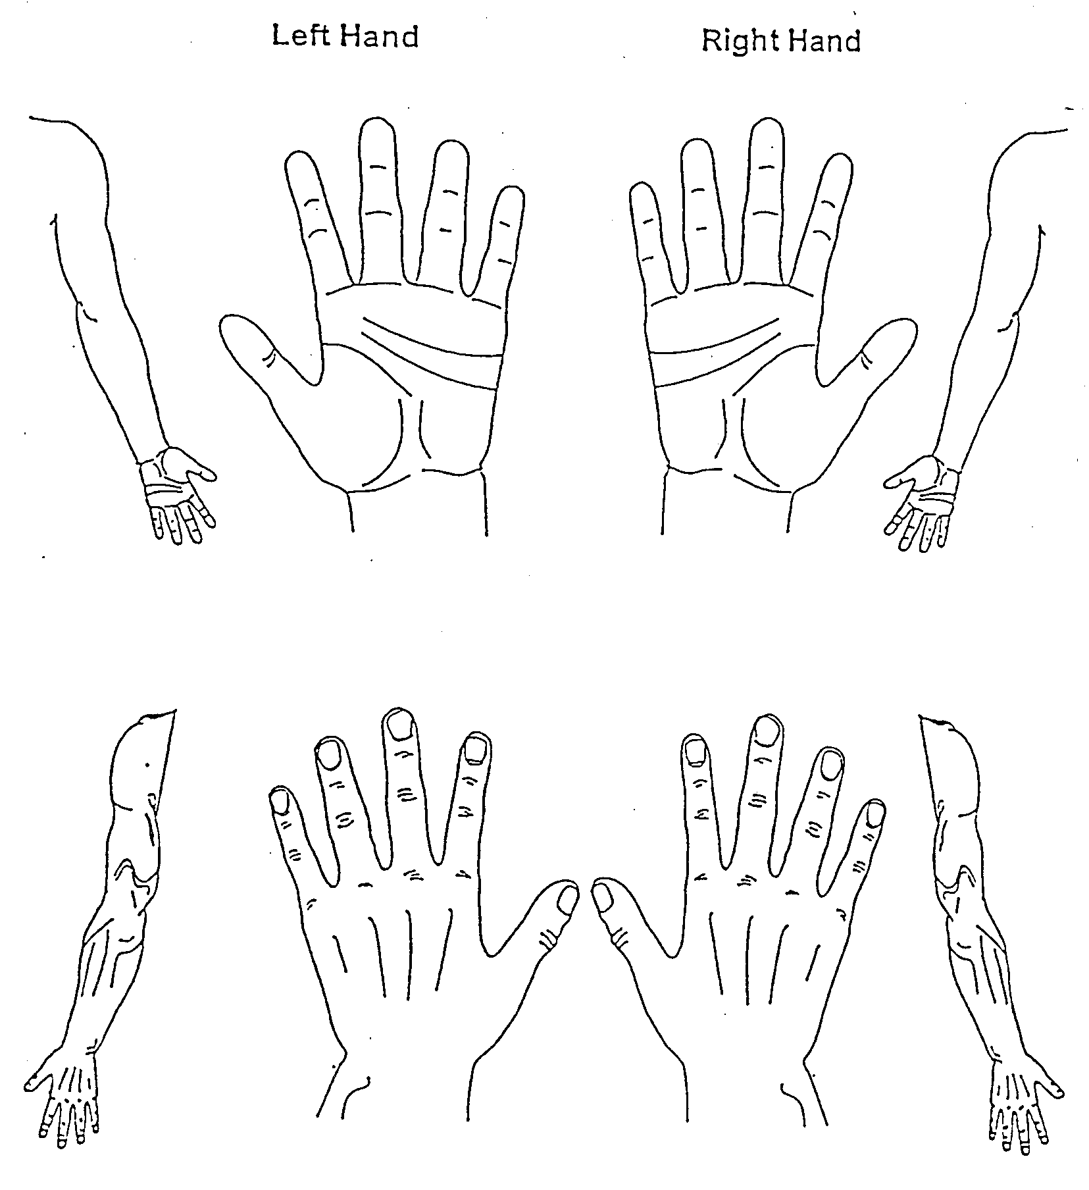

 | Left |  | Right
 |  |  |  |  | 3

Karpale tonnelsindroom in fisioterapeute
in Bloemfontein
 |  |  |  | Kantoorgebruik

Deelnemernommer |  |  |  |  | 1-2

Handdiagram

In die onderstaande area, kleur asseblief die handdiagram in
soos aangedui.
Dui die volgende areas aan op die diagram:
(Soos deur u ervaar op 'n daaglikse basis.)

 | DOOIE GEVOEL (rooi ink) | PYN (groen ink)
 | NAALDE EN SPELDE (blou ink) | VERMINDERDE SENSASIE (pers ink)

 | Links |  | Regs

 | Links |  | Regs
 |  |  |  |  | 3

